2D Base Ref
 |  |  |  |  | delta_3 | delta_2 | delta_1
 |  | Coarse -4 | Coarse -3 | Coarse + 2 | Coarse + 1 | BASE | Ref +1 | Ref +2
Global | Element Size |  | 0.000675 | 0.00045 | 0.0003 | 0.0002 | 0.00013333333333 | 8.8888888889E-05 | m
 | First Layer Height |  | 0.0001 | 0.00003 | 0.00003 | 0.000034 | 2.0518271693E-05
 | Maximum Layer |  | 17 | 17 | 17 | 17 | 17
 | Growth Rate |  | 1.1 | 1.1 | 1.1 | 1.1 | 1.1
Local Refinement | Element Size |  | 0.000375 | 0.000225 | 0.00015 | 0.0001 | 6.6666666667E-05 | 6.2853936105E-05 | m
 | First Layer Height |  | 0.000052 | 0.0000346 | 0.0000231 | 0.0000184 | 1.0259135847E-05
 | Maximum Layer |  | 17 | 17 | 17 | 17 | 17
 | Growth Rate |  | 1.1 | 1.1 | 1.1 | 1.1 | 1.1
Results | yplusval | 0.038349 | 0.0570509 | 0.0814175 | 0.108798 | 0.152187 | 0.214102 | 0.256261 |  |  | where phi = my variable of interest
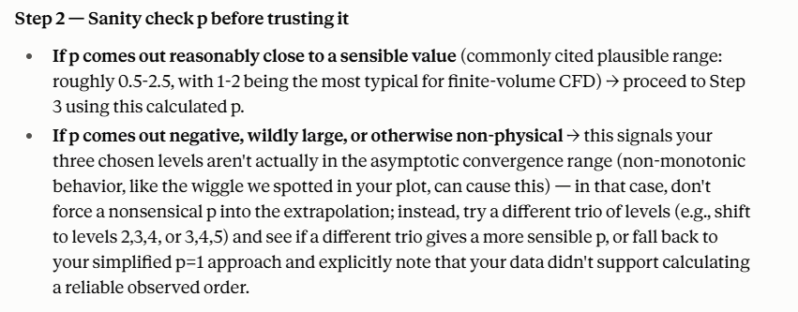
 | YplusMax | 1.64262 | 1.6867 | 1.78821 | 1.85168 | 1.87096 | 2.02596 | 1.98565
 | WallShearMax | 89.4128 | 94.2542 | 104.269 | 108.606 | 123.958 | 131.237 | 155.94
 | WallShearAvg | 0.449309 | 0.677267 | 0.977328 | 1.32493 | 1.8588 | 2.45491 | 3.15022
 | VelocityAvg | 0.440177 | 0.438389 | 0.436904 | 0.43625 | 0.438827 | 0.440758 | 0.438103
 | VelocityMax | 1.64661 | 1.67414 | 1.71726 | 1.72267 | 1.73045 | 1.72846 | 1.73128
 | PressureAvg | 14185.7 | 14207.9 | 14234.3 | 14246.1 | 14258.7 | 14259.5 | 14264.7
 | PressureMax | 15742.1 | 15928.4 | 16093.1 | 16263.1 | 16415.2 | 16542.3 | 16895.4
 | Mesh Elements | 9977 | 16977 | 36185 | 70700 | 150118 | 265271 | 695470
 |  | 0:01:49 | 2: 35.229 | 4: 59.159 | 0:11:43 |  | 0:29:02 | 0:46:30

 | No# Nodes | 15342 | 24822 | 48984 | 89744 | 179546 | 379362
 | Processed No# Nodes | 65.180550124 | 40.286842317 | 20.414829332 | 11.142806204 | 5.5696033329 | 2.6360046605
 |  | 1.64661 | 1.67414 | 1.71726 | 1.72267 | 1.73045 | 1.72846

 | Coarse 1-3 | BASE - Coarse 2 | Ref +1 - Coarse 1
r | 1.5
phi_1 | 1.72267 | 1.73045 | 1.72846
phi_2 | 1.71726 | 1.72267 | 1.73045
phi_3 | 1.67414 | 1.71726 | 1.72267
p | 5.1193994063 | -0.89602591707 | #NUM! |  | There may be errors with the finer meshes, maybe due to element quality at some points that cause an invalid p number

Richardson Point | 1.7234461363 | 1.7049105907 | #NUM!
 |  |  |  |  |  |  |  |  |  |  | Step 4 - find convergence errors of the various mesh, using the following equation

2D 50cc Mesh Analysis

 |  | Coarse -4 | Coarse -3 | Coarse + 2 | Coarse + 1 | BASE | Ref +1
 | Convergence error % | 4.458284752 | 2.8609038173 | 0.35893992699 | 0.04503397507 | -0.40638715357 | -0.29092082375 |  |  | NOTE: Might need to do one more sim ( Ref +2)?

3D Mesh Analysis
 |  | Inflation Parameters
Global Inflation | First Layer Height | 0.00003
 | Maximum Layer | 17
 | Growth Rate | 1.1 |  |  |  | Grid reduction ratio
Local Inflation | First Layer Height | 0.0000184 |  |  |  | 2
 | Maximum Layer | 17
 | Growth Rate | 1.1 |  |  |  |  | where phi = my variable of interest

 |  | BASE -1 coarse | BASE 3D 50cc | BASE +1 REF
 | Global Element Size | 0.001 | 0.0005 | 0.00025
 | Local Element Size | 0.00070710678119 | 0.00035355339059 | 0.0001767766953
Results | Mesh Elements | 749820 | 3983051 | 22781658
 | Mesh Nodes | 232893 | 1186948 | 6098820
 | VelocityMax3D | 2.45723 | 2.53729 | 2.55705 | m s^-1
 | VelocityAvg3D | 0.681712 | 0.698183 | 0.703475 | m s^-1
 | PressureAvg3D | 14828 | 14804.8 | 14810 | Pa
 | PressureMax3D | 16384.8 | 16203.7 | 16217.8 | Pa
 | WallShearAvg3D | 2.17233 | 1.91189 | 2.602 | Pa
 | WallShearMax3D | 403.893 | 424.659 | 548.196 | Pa
 | YplusMax3D | 13.2491 | 7.69725 | 5.80777 |  |  | Step 4 - find convergence errors of the various mesh, using the following equation
 | YplusAvg3D | 0.255544 | 0.133912 | 0.179148
 | Sim Time |  | 4 hours | 49 hours

 | (Max Velocity)
phi_1 | 2.55705
phi_2 | 2.53729
3D 50cc Mesh Analysis
phi_3 | 2.45723
p | 2.0184986688

Richardson Extrapolation | 2.5635252504

 | Coarse | Base | Fine
Convergence Error % | 4.1464483487 | 1.0234051882 | 0.25259163777

Processed Nodes# | 4.2938173324 | 0.84249689119 | 0.16396614427
VelocityMax3D | 2.45723 | 2.53729 | 2.55705

CONCLUSION
Based on this analysis, the finest mesh has the least error but the computational time is a lot larger. There is less than 1% convergence error between the base mesh and fine mesh - therefore the base mesh is acceptable to use for our 3D 50cc iterations.

